Шаблон ЕС
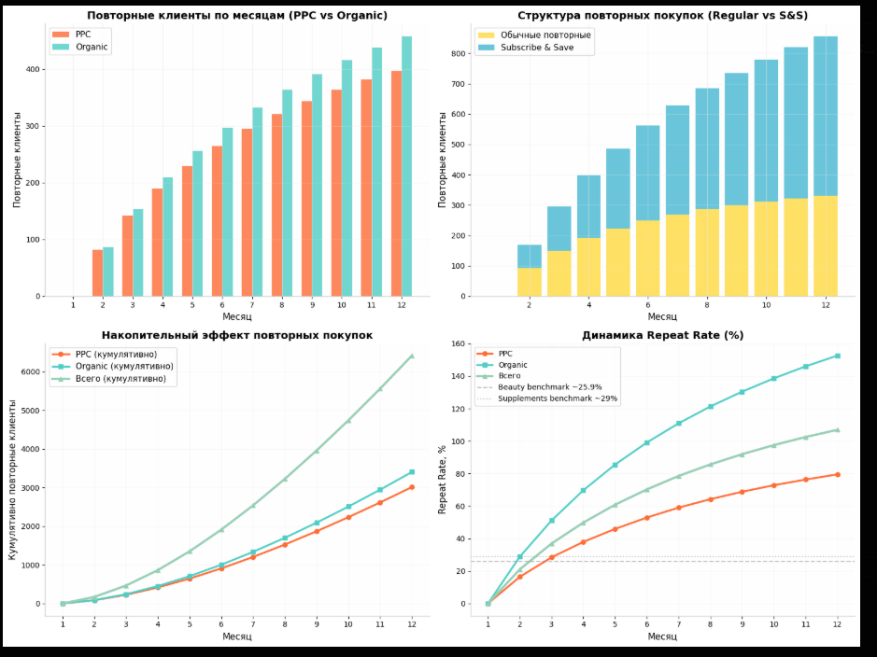
PPC
Month | 1.00 | 2.00 | 3.00 | 4.00 | 5.00 | 6.00 | 7.00 | 8.00 | 9.00 | 10.00 | 11.00 | 12.00
Click per/day | 10.00 | 20.00 | 30.00 | 40.00 | 50.00 | 60.00 | 70.00 | 80.00 | 90.00 | 100.00 | 110.00 | 120.00
Day per month | 30.00 | 30.00 | 30.00 | 30.00 | 30.00 | 30.00 | 30.00 | 30.00 | 30.00 | 30.00 | 30.00 | 30.00
Click Month | 300.00 | 600.00 | 900.00 | 1200.00 | 1500.00 | 1800.00 | 2100.00 | 2400.00 | 2700.00 | 3000.00 | 3300.00 | 3600.00
CPC | 2.50 | 2.50 | 2.50 | 2.50 | 2.50 | 2.50 | 2.50 | 2.50 | 2.50 | 2.50 | 2.50 | 2.50
CVR | 5.00 | 7.00 | 9.00 | 11.00 | 12.00 | 13.00 | 13.00 | 14.00 | 14.00 | 15.00 | 15.00 | 15.00
Number of Sales | 15.00 | 42.00 | 81.00 | 132.00 | 180.00 | 234.00 | 273.00 | 336.00 | 378.00 | 450.00 | 495.00 | 540.00
Number of Client | 15.00 | 42.00 | 81.00 | 132.00 | 180.00 | 234.00 | 273.00 | 336.00 | 378.00 | 450.00 | 495.00 | 540.00
Vine | 200.00
Coupon 5% | 14.87 | 40.78 | 78.21 | 127.15 | 173.21 | 225.03 | 262.45 | 322.91 | 363.21 | 432.30 | 475.48 | 518.66
Ads Spend | 964.87 | 1540.78 | 2328.21 | 3127.15 | 3923.21 | 4725.03 | 5512.45 | 6322.91 | 7113.21 | 7932.30 | 8725.48 | 9518.66
Ads Cost 1 Client (CPA TO BUY) | 64.32 | 36.69 | 28.74 | 23.69 | 21.80 | 20.19 | 20.19 | 18.82 | 18.82 | 17.63 | 17.63 | 17.63
Total Product Cost (Cost + Am fee) | 10.60 | 10.60 | 10.60 | 10.60 | 10.60 | 10.60 | 10.60 | 10.60 | 10.60 | 10.60 | 10.60 | 10.60
Product Cost | 4.00 | 4.00 | 4.00 | 4.00 | 4.00 | 4.00 | 4.00 | 4.00 | 4.00 | 4.00 | 4.00 | 4.00
Total Amazon Fee | 6.60 | 6.60 | 6.60 | 6.60 | 6.60 | 6.60 | 6.60 | 6.60 | 6.60 | 6.60 | 6.60 | 6.60
FBA Cost | 3.00 | 3.00 | 3.00 | 3.00 | 3.00 | 3.00 | 3.00 | 3.00 | 3.00 | 3.00 | 3.00 | 3.00
Amazon Fee 15% | 3.60 | 3.60 | 3.60 | 3.60 | 3.60 | 3.60 | 3.60 | 3.60 | 3.60 | 3.60 | 3.60 | 3.60
Sales Price | 23.99 | 23.99 | 23.99 | 23.99 | 23.99 | 23.99 | 23.99 | 23.99 | 23.99 | 23.99 | 23.99 | 23.99
Profit With Ads Spend 1 pcs | -50.93 | -23.29 | -15.35 | -10.30 | -8.40 | -6.80 | -6.80 | -5.43 | -5.43 | -4.24 | -4.24 | -4.24
Profit Without Ads 1 pcs | 13.39 | 13.39 | 13.39 | 13.39 | 13.39 | 13.39 | 13.39 | 13.39 | 13.39 | 13.39 | 13.39 | 13.39
ROAS | 0.37 | 0.65 | 0.83 | 1.01 | 1.10 | 1.19 | 1.19 | 1.27 | 1.27 | 1.36 | 1.36 | 1.36
Revenue | 359.85 | 1007.58 | 1943.19 | 3166.68 | 4318.20 | 5613.66 | 6549.27 | 8060.64 | 9068.22 | 10795.50 | 11875.05 | 12954.60
Gross Profit | 200.87 | 562.44 | 1084.71 | 1767.68 | 2410.47 | 3133.61 | 3655.88 | 4499.54 | 5061.99 | 6026.18 | 6628.79 | 7231.41
Net Profit, PPC | -764.00 | -978.34 | -1243.50 | -1359.47 | -1512.74 | -1591.42 | -1856.57 | -1823.36 | -2051.22 | -1906.13 | -2096.69 | -2287.25
Retention 2 |  |  | 0.15 | 0.15 | 0.15 | 0.15 | 0.15 | 0.15 | 0.15 | 0.15 | 0.15 | 0.15
Net Profit With LTV 2(60day) |  |  | 231.00 | 646.81 | 1247.42 | 2032.83 | 2772.04 | 3603.65 | 4204.26 | 5174.48 | 5821.29 | 6930.10
Retention 3 |  |  |  |  | 0.08 | 0.08 | 0.08 | 0.08 | 0.08 | 0.08 | 0.08 | 0.08
Net Profit With LTV 3 |  |  |  |  | 161.39 | 451.89 | 871.50 | 1420.21 | 1936.66 | 2517.65 | 2937.26 | 3615.09
Total Net Profit LTV | -964.87 | -1540.78 | -2097.20 | -2480.34 | -2514.40 | -2240.31 | -1868.92 | -1299.04 | -972.29 | -240.17 | 33.06 | 1026.53
Organic
% Number of Organic Sales from PPC | 5.00 | 10.00 | 15.00 | 20.00 | 25.00 | 30.00 | 35.00 | 40.00 | 45.00 | 50.00 | 55.00 | 60.00
Number Of Organic Sales | 0.75 | 4.20 | 12.15 | 26.40 | 45.00 | 70.20 | 95.55 | 134.40 | 170.10 | 225.00 | 272.25 | 324.00
Number Of Organic Clients | 0.75 | 4.20 | 12.15 | 26.40 | 45.00 | 70.20 | 95.55 | 134.40 | 170.10 | 225.00 | 272.25 | 324.00
Total Product Cost | 10.60 | 10.60 | 10.60 | 10.60 | 10.60 | 10.60 | 10.60 | 10.60 | 10.60 | 10.60 | 10.60 | 10.60
Product Cost | 4.00 | 4.00 | 4.00 | 4.00 | 4.00 | 4.00 | 4.00 | 4.00 | 4.00 | 4.00 | 4.00 | 4.00
Total Amazon Fee | 6.60 | 6.60 | 6.60 | 6.60 | 6.60 | 6.60 | 6.60 | 6.60 | 6.60 | 6.60 | 6.60 | 6.60
FBA Cost | 3.00 | 3.00 | 3.00 | 3.00 | 3.00 | 3.00 | 3.00 | 3.00 | 3.00 | 3.00 | 3.00 | 3.00
Amazon Fee 15% | 3.60 | 3.60 | 3.60 | 3.60 | 3.60 | 3.60 | 3.60 | 3.60 | 3.60 | 3.60 | 3.60 | 3.60
Sales Price | 23.99 | 23.99 | 23.99 | 23.99 | 23.99 | 23.99 | 23.99 | 23.99 | 23.99 | 23.99 | 23.99 | 23.99
Profit 1 pcs | 13.39 | 13.39 | 13.39 | 13.39 | 13.39 | 13.39 | 13.39 | 13.39 | 13.39 | 13.39 | 13.39 | 13.39
Revenue | 17.99 | 100.76 | 291.48 | 633.34 | 1079.55 | 1684.10 | 2292.24 | 3224.26 | 4080.70 | 5397.75 | 6531.28 | 7772.76
Gross Profit | 10.04 | 56.24 | 162.71 | 353.54 | 602.62 | 940.08 | 1279.56 | 1799.82 | 2277.89 | 3013.09 | 3645.84 | 4338.85
Net Profit | 10.01 | 56.21 | 162.68 | 353.51 | 602.59 | 940.05 | 1279.53 | 1799.79 | 2277.86 | 3013.06 | 3645.81 | 4338.82
Retention 2 |  |  | 0.30 | 0.30 | 0.30 | 0.30 | 0.30 | 0.30 | 0.30 | 0.30 | 0.30 | 0.30
Net Profit With LTV 2(60day) |  |  | 13.06 | 73.12 | 211.52 | 459.60 | 783.40 | 1222.11 | 1663.43 | 2339.76 | 2961.26 | 3917.01
Retention 3 |  |  |  |  | 0.20 | 0.20 | 0.20 | 0.20 | 0.20 | 0.20 | 0.20 | 0.20
Net Profit With LTV 3 |  |  |  |  | 15.07 | 84.37 | 244.06 | 530.30 | 903.93 | 1410.12 | 1919.34 | 2699.73
Total Net Profit LTV | 0.00 | 0.00 | 13.06 | 73.12 | 226.58 | 543.96 | 1027.46 | 1752.41 | 2567.35 | 3749.89 | 4880.60 | 6616.74
Total Organic + PPC
Total Number Sales | 15.75 | 46.20 | 93.15 | 158.40 | 225.00 | 304.20 | 368.55 | 470.40 | 548.10 | 675.00 | 767.25 | 864.00
Gross Profit | 210.92 | 618.69 | 1247.42 | 2121.21 | 3013.09 | 4073.69 | 4935.44 | 6299.36 | 7339.88 | 9039.26 | 10274.63 | 11570.26
Net Profit, PPC+Organic | -753.99 | -922.13 | -1080.82 | -1005.96 | -910.15 | -651.36 | -577.04 | -23.57 | 226.64 | 1106.93 | 1549.12 | 2051.56
Revenue | 377.84 | 1108.34 | 2234.67 | 3800.02 | 5397.75 | 7297.76 | 8841.51 | 11284.90 | 13148.92 | 16193.25 | 18406.33 | 20727.36
TACOS | 2.55 | 1.39 | 1.04 | 0.82 | 0.73 | 0.65 | 0.62 | 0.56 | 0.54 | 0.49 | 0.47 | 0.46
Net Profit With LTV 2(60day) | 0.00 | 0.00 | 244.06 | 719.93 | 1458.94 | 2492.43 | 3555.44 | 4825.76 | 5867.69 | 7514.24 | 8782.55 | 10847.12
Net Profit With LTV 3 | 0.00 | 0.00 | 0.00 | 0.00 | 176.45 | 536.25 | 1115.56 | 1950.52 | 2840.58 | 3927.78 | 4856.60 | 6314.82
Total Net Profit LTV | -964.87 | -1540.78 | -2084.15 | -2407.22 | -2287.82 | -1696.35 | -841.45 | 453.37 | 1595.06 | 3509.72 | 4913.66 | 7643.27
Total Net Profit All | -1718.86 | -2462.91 | -3164.97 | -3413.18 | -3197.97 | -2347.71 | -1418.50 | 429.80 | 1821.70 | 4616.65 | 6462.78 | 9694.83 | 5301.66

Иноситол DE
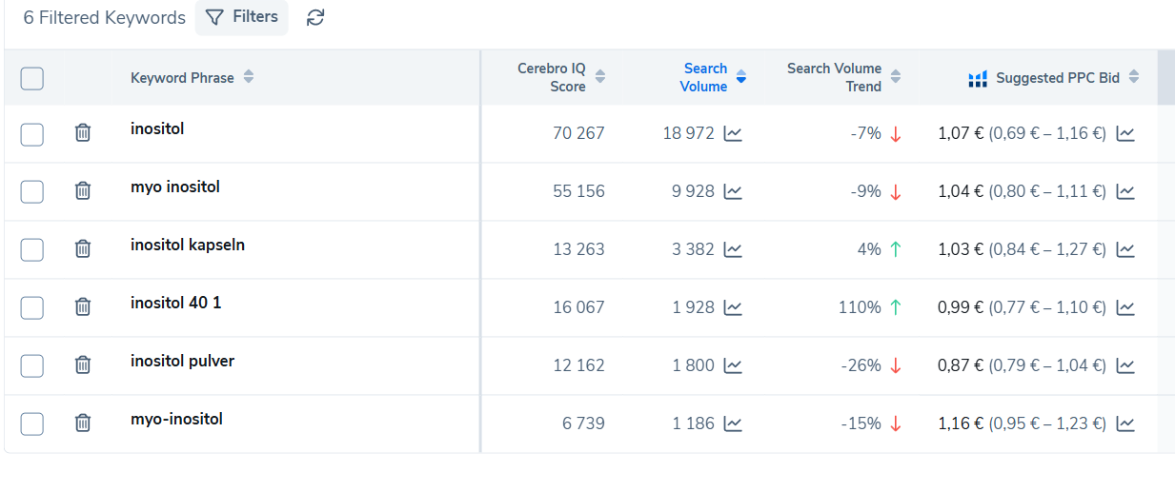
PPC
Month | 1.00 | 2.00 | 3.00 | 4.00 | 5.00 | 6.00 | 7.00 | 8.00 | 9.00 | 10.00 | 11.00 | 12.00
Click per/day | 20.00 | 30.00 | 40.00 | 50.00 | 60.00 | 70.00 | 80.00 | 90.00 | 100.00 | 110.00 | 120.00 | 130.00
Day per month | 30.00 | 30.00 | 30.00 | 30.00 | 30.00 | 30.00 | 30.00 | 30.00 | 30.00 | 30.00 | 30.00 | 30.00
Click Month | 600.00 | 900.00 | 1200.00 | 1500.00 | 1800.00 | 2100.00 | 2400.00 | 2700.00 | 3000.00 | 3300.00 | 3600.00 | 3900.00
CPC | 1.70 | 1.60 | 1.60 | 1.50 | 1.50 | 1.50 | 1.50 | 1.50 | 1.60 | 1.60 | 1.70 | 2.00
CVR | 7.00 | 7.00 | 7.00 | 5.00 | 5.00 | 5.00 | 6.00 | 7.00 | 8.00 | 9.00 | 9.00 | 9.00
Number of Sales | 42.00 | 63.00 | 84.00 | 75.00 | 90.00 | 105.00 | 144.00 | 189.00 | 240.00 | 297.00 | 324.00 | 351.00
Number of Client | 42.00 | 63.00 | 84.00 | 75.00 | 90.00 | 105.00 | 144.00 | 189.00 | 240.00 | 297.00 | 324.00 | 351.00
Vine
Coupon 20% -5% по мес |  |  |  |  | 90.48 | 105.48 | 144.48 | 189.48 | 240.48 | 297.48 | 324.48 | 351.48
Ads Spend | 3000.00 | 3000.00 | 3000.00 | 3000.00 | 3000.00 | 3255.48 | 3744.48 | 4239.48 | 5040.48 | 5577.48 | 6444.48 | 8151.48
daily spend | 100.00
Ads Spend|Day | 100.00 | 100.00 | 100.00 | 100.00 | 100.00 | 108.52 | 124.82 | 141.32 | 168.02 | 185.92 | 214.82 | 271.72
Ads Cost 1 Client (CPA TO BUY) | 71.43 | 47.62 | 35.71 | 40.00 | 33.33 | 31.00 | 26.00 | 22.43 | 21.00 | 18.78 | 19.89 | 23.22
Total Product Cost (Cost + Am fee) | 10.40 | 10.40 | 10.40 | 10.40 | 10.40 | 10.40 | 10.40 | 10.40 | 10.40 | 10.40 | 10.40 | 10.40
Product Cost | 3.65 | 3.65 | 3.65 | 3.65 | 3.65 | 3.65 | 3.65 | 3.65 | 3.65 | 3.65 | 3.65 | 3.65
Total Amazon Fee | 6.75 | 6.75 | 6.75 | 6.75 | 6.75 | 6.75 | 6.75 | 6.75 | 6.75 | 6.75 | 6.75 | 6.75
FBA Cost | 3.00 | 3.00 | 3.00 | 3.00 | 3.00 | 3.00 | 3.00 | 3.00 | 3.00 | 3.00 | 3.00 | 3.00
Amazon Fee 15% | 3.75 | 3.75 | 3.75 | 3.75 | 3.75 | 3.75 | 3.75 | 3.75 | 3.75 | 3.75 | 3.75 | 3.75
Sales Price | 25.00 | 25.00 | 25.00 | 25.00 | 25.00 | 25.00 | 25.00 | 25.00 | 25.00 | 25.00 | 25.00 | 25.00
Profit With Ads Spend 1 pcs | -56.83 | -33.02 | -21.11 | -25.40 | -18.73 | -16.40 | -11.40 | -7.83 | -6.40 | -4.18 | -5.29 | -8.62
Profit Without Ads 1 pcs | 14.60 | 14.60 | 14.60 | 14.60 | 14.60 | 14.60 | 14.60 | 14.60 | 14.60 | 14.60 | 14.60 | 14.60
ROAS | 0.35 | 0.53 | 0.70 | 0.63 | 0.75 | 0.81 | 0.96 | 1.11 | 1.19 | 1.33 | 1.26 | 1.08
Revenue | 1050.00 | 1575.00 | 2100.00 | 1875.00 | 2250.00 | 2625.00 | 3600.00 | 4725.00 | 6000.00 | 7425.00 | 8100.00 | 8775.00
Gross Profit | 613.20 | 919.80 | 1226.40 | 1095.00 | 1314.00 | 1533.00 | 2102.40 | 2759.40 | 3504.00 | 4336.20 | 4730.40 | 5124.60
Net Profit, PPC | -2386.80 | -2080.20 | -1773.60 | -1905.00 | -1686.00 | -1722.48 | -1642.08 | -1480.08 | -1536.48 | -1241.28 | -1714.08 | -3026.88
CPA | 71 | 48 | 36 | 40 | 33 | 31 | 26 | 22 | 21 | 19 | 20 | 23
margin | -389% | -226% | -145% | -174% | -128% | -112% | -78% | -54% | -44% | -29% | -36% | -59%
Retention 2 |  |  | 0.15 | 0.15 | 0.15 | 0.15 | 0.15 | 0.15 | 0.15 | 0.15 | 0.15 | 0.15
Net Profit With LTV 2(60day) |  |  | 705.18 | 1057.77 | 1410.36 | 1259.25 | 1511.10 | 1762.95 | 2417.76 | 3173.31 | 4029.60 | 4986.63
Retention 3 |  |  |  |  | 0.08 | 0.08 | 0.08 | 0.08 | 0.08 | 0.08 | 0.08 | 0.08
Net Profit With LTV 3 |  |  |  |  | 444.16 | 666.24 | 888.32 | 793.14 | 951.77 | 1110.40 | 1522.83 | 1998.71
Total Net Profit LTV | -3000.00 | -3000.00 | -2294.82 | -1942.23 | -1145.48 | -1329.99 | -1345.06 | -1683.39 | -1670.95 | -1293.77 | -892.05 | -1166.14
Organic
% Number of Organic Sales from PPC | 5.00 | 10.00 | 15.00 | 20.00 | 25.00 | 30.00 | 35.00 | 40.00 | 45.00 | 50.00 | 55.00 | 60.00
Number Of Organic Sales | 2.10 | 6.30 | 12.60 | 15.00 | 22.50 | 31.50 | 50.40 | 75.60 | 108.00 | 148.50 | 178.20 | 210.60
Number Of Organic Clients | 2.10 | 6.30 | 12.60 | 15.00 | 22.50 | 31.50 | 50.40 | 75.60 | 108.00 | 148.50 | 178.20 | 210.60
Total Product Cost | 10.40 | 10.40 | 10.40 | 10.40 | 10.40 | 10.40 | 10.40 | 10.40 | 10.40 | 10.40 | 10.40 | 10.40
Product Cost | 3.65 | 3.65 | 3.65 | 3.65 | 3.65 | 3.65 | 3.65 | 3.65 | 3.65 | 3.65 | 3.65 | 3.65
Total Amazon Fee | 6.75 | 6.75 | 6.75 | 6.75 | 6.75 | 6.75 | 6.75 | 6.75 | 6.75 | 6.75 | 6.75 | 6.75
FBA Cost | 3.00 | 3.00 | 3.00 | 3.00 | 3.00 | 3.00 | 3.00 | 3.00 | 3.00 | 3.00 | 3.00 | 3.00
Amazon Fee 15% | 3.75 | 3.75 | 3.75 | 3.75 | 3.75 | 3.75 | 3.75 | 3.75 | 3.75 | 3.75 | 3.75 | 3.75
Sales Price | 25.00 | 25.00 | 25.00 | 25.00 | 25.00 | 25.00 | 25.00 | 25.00 | 25.00 | 25.00 | 25.00 | 25.00
Profit 1 pcs | 14.60 | 14.60 | 14.60 | 14.60 | 14.60 | 14.60 | 14.60 | 14.60 | 14.60 | 14.60 | 14.60 | 14.60
Revenue | 52.50 | 157.50 | 315.00 | 375.00 | 562.50 | 787.50 | 1260.00 | 1890.00 | 2700.00 | 3712.50 | 4455.00 | 5265.00
Gross Profit | 30.66 | 91.98 | 183.96 | 219.00 | 328.50 | 459.90 | 735.84 | 1103.76 | 1576.80 | 2168.10 | 2601.72 | 3074.76
Net Profit | 30.63 | 91.95 | 183.93 | 218.97 | 328.47 | 459.87 | 735.81 | 1103.73 | 1576.77 | 2168.07 | 2601.69 | 3074.73
Retention 2 |  |  | 0.30 | 0.30 | 0.30 | 0.30 | 0.30 | 0.30 | 0.30 | 0.30 | 0.30 | 0.30
Net Profit With LTV 2(60day) |  |  | 39.86 | 119.57 | 239.15 | 284.70 | 427.05 | 597.87 | 956.59 | 1434.89 | 2049.84 | 2818.53
Retention 3 |  |  |  |  | 0.20 | 0.20 | 0.20 | 0.20 | 0.20 | 0.20 | 0.20 | 0.20
Net Profit With LTV 3 |  |  |  |  | 45.99 | 137.97 | 275.94 | 328.50 | 492.75 | 689.85 | 1103.76 | 1655.64
Total Net Profit LTV | 0.00 | 0.00 | 39.86 | 119.57 | 285.14 | 422.67 | 702.99 | 926.37 | 1449.34 | 2124.74 | 3153.60 | 4474.17
Total Organic + PPC
Total Number Sales | 44.10 | 69.30 | 96.60 | 90.00 | 112.50 | 136.50 | 194.40 | 264.60 | 348.00 | 445.50 | 502.20 | 561.60
Gross Profit | 643.86 | 1011.78 | 1410.36 | 1314.00 | 1642.50 | 1992.90 | 2838.24 | 3863.16 | 5080.80 | 6504.30 | 7332.12 | 8199.36
Net Profit, PPC+Organic | -2356.17 | -1988.25 | -1589.67 | -1686.03 | -1357.53 | -1262.61 | -906.27 | -376.35 | 40.29 | 926.79 | 887.61 | 47.85
Revenue | 1102.50 | 1732.50 | 2415.00 | 2250.00 | 2812.50 | 3412.50 | 4860.00 | 6615.00 | 8700.00 | 11137.50 | 12555.00 | 14040.00
TACOS | 2.72 | 1.73 | 1.24 | 1.33 | 1.07 | 0.95 | 0.77 | 0.64 | 0.58 | 0.50 | 0.51 | 0.58
Net Profit With LTV 2(60day) | 0.00 | 0.00 | 745.04 | 1177.34 | 1649.51 | 1543.95 | 1938.15 | 2360.82 | 3374.35 | 4608.20 | 6079.44 | 7805.16
Net Profit With LTV 3 | 0.00 | 0.00 | 0.00 | 0.00 | 490.15 | 804.21 | 1164.26 | 1121.64 | 1444.52 | 1800.25 | 2626.59 | 3654.35
Total Net Profit LTV | -3000.00 | -3000.00 | -2254.96 | -1822.66 | -860.34 | -907.32 | -642.07 | -757.02 | -221.61 | 830.96 | 2261.55 | 3308.03
Total Net Profit All | -5356.17 | -4988.25 | -3844.63 | -3508.69 | -2217.87 | -2169.93 | -1548.34 | -1133.37 | -181.32 | 1757.75 | 3149.16 | 3355.88 | -16685.78

Магний DE
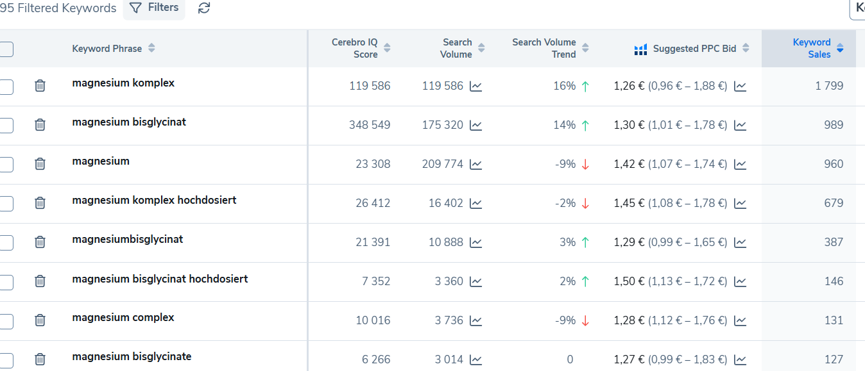
PPC
Month | 1.00 | 2.00 | 3.00 | 4.00 | 5.00 | 6.00 | 7.00 | 8.00 | 9.00 | 10.00 | 11.00 | 12.00
Click per/day | 15.00 | 25.00 | 35.00 | 45.00 | 55.00 | 65.00 | 75.00 | 85.00 | 95.00 | 105.00 | 115.00 | 125.00
Day per month | 30.00 | 30.00 | 30.00 | 30.00 | 30.00 | 30.00 | 30.00 | 30.00 | 30.00 | 30.00 | 30.00 | 30.00
Click Month | 450.00 | 750.00 | 1050.00 | 1350.00 | 1650.00 | 1950.00 | 2250.00 | 2550.00 | 2850.00 | 3150.00 | 3450.00 | 3750.00
CPC | 1.50 | 1.50 | 1.50 | 1.50 | 1.50 | 1.50 | 1.50 | 1.50 | 1.50 | 1.50 | 1.50 | 1.50
CVR | 5.00 | 7.00 | 9.00 | 11.00 | 12.00 | 13.00 | 13.00 | 14.00 | 14.00 | 15.00 | 15.00 | 15.00
Number of Sales | 22.50 | 52.50 | 94.50 | 148.50 | 198.00 | 253.50 | 292.50 | 357.00 | 399.00 | 472.50 | 517.50 | 562.50
Number of Client | 22.50 | 52.50 | 94.50 | 148.50 | 198.00 | 253.50 | 292.50 | 357.00 | 399.00 | 472.50 | 517.50 | 562.50
Vine | 200.00
Coupon | 17.58 | 40.38 | 72.30 | 113.34 | 150.96 | 193.14 | 222.78 | 271.80 | 303.72 | 359.58 | 393.78 | 427.98
Ads Spend | 892.58 | 1165.38 | 1647.30 | 2138.34 | 2625.96 | 3118.14 | 3597.78 | 4096.80 | 4578.72 | 5084.58 | 5568.78 | 6052.98
Ads Spend|Day | 29.75 | 38.85 | 54.91 | 71.28 | 87.53 | 103.94 | 119.93 | 136.56 | 152.62 | 169.49 | 185.63 | 201.77
Ads Cost 1 Client (CPA TO BUY) | 39.67 | 22.20 | 17.43 | 14.40 | 13.26 | 12.30 | 12.30 | 11.48 | 11.48 | 10.76 | 10.76 | 10.76
Total Product Cost (Cost + Am fee) | 11.69 | 11.69 | 11.69 | 11.69 | 11.69 | 11.69 | 11.69 | 11.69 | 11.69 | 11.69 | 11.69 | 11.69
Product Cost | 5.84 | 5.84 | 5.84 | 5.84 | 5.84 | 5.84 | 5.84 | 5.84 | 5.84 | 5.84 | 5.84 | 5.84
Total Amazon Fee | 5.85 | 5.85 | 5.85 | 5.85 | 5.85 | 5.85 | 5.85 | 5.85 | 5.85 | 5.85 | 5.85 | 5.85
FBA Cost | 3.00 | 3.00 | 3.00 | 3.00 | 3.00 | 3.00 | 3.00 | 3.00 | 3.00 | 3.00 | 3.00 | 3.00
Amazon Fee 15% | 2.85 | 2.85 | 2.85 | 2.85 | 2.85 | 2.85 | 2.85 | 2.85 | 2.85 | 2.85 | 2.85 | 2.85
Sales Price | 19.00 | 19.00 | 19.00 | 19.00 | 19.00 | 19.00 | 19.00 | 19.00 | 19.00 | 19.00 | 19.00 | 19.00
Profit With Ads Spend 1 pcs | -32.36 | -14.89 | -10.12 | -7.09 | -5.95 | -4.99 | -4.99 | -4.17 | -4.17 | -3.45 | -3.45 | -3.45
Profit Without Ads 1 pcs | 7.31 | 7.31 | 7.31 | 7.31 | 7.31 | 7.31 | 7.31 | 7.31 | 7.31 | 7.31 | 7.31 | 7.31
ROAS | 0.48 | 0.86 | 1.09 | 1.32 | 1.43 | 1.54 | 1.54 | 1.66 | 1.66 | 1.77 | 1.77 | 1.77
Revenue | 427.50 | 997.50 | 1795.50 | 2821.50 | 3762.00 | 4816.50 | 5557.50 | 6783.00 | 7581.00 | 8977.50 | 9832.50 | 10687.50
Gross Profit | 164.48 | 383.78 | 690.80 | 1085.54 | 1447.38 | 1853.09 | 2138.18 | 2609.67 | 2916.69 | 3453.98 | 3782.93 | 4111.88
Net Profit, PPC | -728.11 | -781.61 | -956.51 | -1052.81 | -1178.58 | -1265.06 | -1459.61 | -1487.13 | -1662.03 | -1630.61 | -1785.86 | -1941.11
Retention 2 |  |  | 0.15 | 0.15 | 0.15 | 0.15 | 0.15 | 0.15 | 0.15 | 0.15 | 0.15 | 0.15
Net Profit With LTV 2(60day) |  |  | 189.15 | 441.34 | 794.41 | 1248.37 | 1664.49 | 2131.05 | 2458.90 | 3001.12 | 3354.19 | 3972.07
Retention 3 |  |  |  |  | 0.08 | 0.08 | 0.08 | 0.08 | 0.08 | 0.08 | 0.08 | 0.08
Net Profit With LTV 3 |  |  |  |  | 265.00 | 618.33 | 1112.99 | 1748.99 | 2331.99 | 2985.65 | 3444.98 | 4204.65
Total Net Profit LTV | -892.58 | -1165.38 | -1458.15 | -1697.00 | -1566.55 | -1251.44 | -820.30 | -216.76 | 212.17 | 902.19 | 1230.40 | 2123.74
Organic
% Number of Organic Sales from PPC | 5.00 | 10.00 | 15.00 | 20.00 | 25.00 | 30.00 | 35.00 | 40.00 | 45.00 | 50.00 | 55.00 | 60.00
Number Of Organic Sales | 1.13 | 5.25 | 14.18 | 29.70 | 49.50 | 76.05 | 102.38 | 142.80 | 179.55 | 236.25 | 284.63 | 337.50
Number Of Organic Clients | 1.13 | 5.25 | 14.18 | 29.70 | 49.50 | 76.05 | 102.38 | 142.80 | 179.55 | 236.25 | 284.63 | 337.50
Total Product Cost | 11.69 | 11.69 | 11.69 | 11.69 | 11.69 | 11.69 | 11.69 | 11.69 | 11.69 | 11.69 | 11.69 | 11.69
Product Cost | 5.84 | 5.84 | 5.84 | 5.84 | 5.84 | 5.84 | 5.84 | 5.84 | 5.84 | 5.84 | 5.84 | 5.84
Total Amazon Fee | 5.85 | 5.85 | 5.85 | 5.85 | 5.85 | 5.85 | 5.85 | 5.85 | 5.85 | 5.85 | 5.85 | 5.85
FBA Cost | 3.00 | 3.00 | 3.00 | 3.00 | 3.00 | 3.00 | 3.00 | 3.00 | 3.00 | 3.00 | 3.00 | 3.00
Amazon Fee 15% | 2.85 | 2.85 | 2.85 | 2.85 | 2.85 | 2.85 | 2.85 | 2.85 | 2.85 | 2.85 | 2.85 | 2.85
Sales Price | 19.00 | 19.00 | 19.00 | 19.00 | 19.00 | 19.00 | 19.00 | 19.00 | 19.00 | 19.00 | 19.00 | 19.00
Profit 1 pcs | 7.31 | 7.31 | 7.31 | 7.31 | 7.31 | 7.31 | 7.31 | 7.31 | 7.31 | 7.31 | 7.31 | 7.31
Revenue | 21.38 | 99.75 | 269.33 | 564.30 | 940.50 | 1444.95 | 1945.13 | 2713.20 | 3411.45 | 4488.75 | 5407.88 | 6412.50
Gross Profit | 8.22 | 38.38 | 103.62 | 217.11 | 361.85 | 555.93 | 748.36 | 1043.87 | 1312.51 | 1726.99 | 2080.61 | 2467.13
Net Profit | 8.19 | 38.35 | 103.59 | 217.08 | 361.82 | 555.90 | 748.33 | 1043.84 | 1312.48 | 1726.96 | 2080.58 | 2467.10
Retention 2 |  |  | 0.30 | 0.30 | 0.30 | 0.30 | 0.30 | 0.30 | 0.30 | 0.30 | 0.30 | 0.30
Net Profit With LTV 2(60day) |  |  | 10.69 | 49.89 | 134.71 | 282.24 | 470.40 | 722.70 | 972.87 | 1357.03 | 1706.26 | 2245.08
Retention 3 |  |  |  |  | 0.20 | 0.20 | 0.20 | 0.20 | 0.20 | 0.20 | 0.20 | 0.20
Net Profit With LTV 3 |  |  |  |  | 12.34 | 57.57 | 155.43 | 325.66 | 542.77 | 833.89 | 1122.54 | 1565.80
Total Net Profit LTV | 0.00 | 0.00 | 10.69 | 49.89 | 147.04 | 339.81 | 625.83 | 1048.36 | 1515.64 | 2190.92 | 2828.81 | 3810.89
Total Organic + PPC
Total Number Sales | 23.63 | 57.75 | 108.68 | 178.20 | 247.50 | 329.55 | 394.88 | 499.80 | 578.55 | 708.75 | 802.13 | 900.00
Gross Profit | 172.70 | 422.15 | 794.41 | 1302.64 | 1809.23 | 2409.01 | 2886.54 | 3653.54 | 4229.20 | 5180.96 | 5863.53 | 6579.00
Net Profit, PPC+Organic | -719.91 | -743.26 | -852.92 | -835.73 | -816.77 | -709.16 | -711.27 | -443.29 | -349.55 | 96.35 | 294.72 | 525.99
Revenue | 448.88 | 1097.25 | 2064.83 | 3385.80 | 4702.50 | 6261.45 | 7502.63 | 9496.20 | 10992.45 | 13466.25 | 15240.38 | 17100.00
TACOS | 1.99 | 1.06 | 0.80 | 0.63 | 0.56 | 0.50 | 0.48 | 0.43 | 0.42 | 0.38 | 0.37 | 0.35
Net Profit With LTV 2(60day) | 0.00 | 0.00 | 199.84 | 491.23 | 929.12 | 1530.60 | 2134.89 | 2853.75 | 3431.77 | 4358.15 | 5060.46 | 6217.16
Net Profit With LTV 3 | 0.00 | 0.00 | 0.00 | 0.00 | 277.33 | 675.90 | 1268.42 | 2074.65 | 2874.76 | 3819.54 | 4567.52 | 5770.45
Total Net Profit LTV | -892.58 | -1165.38 | -1447.46 | -1647.11 | -1419.51 | -911.64 | -194.47 | 831.60 | 1727.81 | 3093.11 | 4059.20 | 5934.62
Total Net Profit All | -1612.49 | -1908.64 | -2300.38 | -2482.84 | -2236.27 | -1620.80 | -905.74 | 388.31 | 1378.26 | 3189.46 | 4353.93 | 6460.61 | 2703.41

